Instructions
 |  |  |  |  |  |  |  | INA
Start
Overview
Notes

 |  |  | Cross-border capital linkages: Annual survey
 |  |  | Instructions

Please read these instructions. They are designed to facilitate your response to this survey, and also contain information on how to return this Excel file to the SNB.

1. Using this file
2. Latest release
3. Contents of this file
4. Navigating through the file
5. Completing the forms
6. Consistency checks: Dealing with error messages and warnings
7. Submitting the file to the SNB

1. Using this file
This Excel file is designed to record data for the above-mentioned survey. After you have entered and checked the data, please send this file to the SNB (cf. section 7.). Please do not modify this file in any way, since this will result in the SNB being unable to process it. If you would like to use the forms in an automated procedure, please refer to the information on the SNB’s website:
https://www.snb.ch/en/the-snb/mandates-goals/statistics/surveys/format#t000
2. Latest release |  |  | This is release number: |  |  | Release 1.5 | Valid from reference date 31.12.2025
Please check our website to ensure that you are always using the latest release. You will be informed in writing when the SNB publishes a new release. If you submit your data using an old release, the SNB will not be able to process them.
For more information, go to: |  |  | https://emi.snb.ch/en/emi/INV

3. Contents of this file
This Excel file contains the following worksheets:

Worksheet |  | Contents
Instructions |  | This worksheet explains how to use the file.
Start |  | - Enter your code, the reporting date and your contact details. - Specify whether this is an irregular data submission. Correction: The submission contains corrected data. Test: The submission is a test. - Overview of the results of the consistency checks. - SNB contact details.
Metadata |  | - Master data (company details, company status, control of company, accounting standard) - Questions to determine which forms should be completed
Overview |  | - Overview of the forms to be completed - Your comments on the survey - Survey summary
Forms for data entry |  | To enter data, use worksheets INA10 to INA60.
INA30 |  | Loans, deposits and other accounts receivable/payable of resident group vis-à-vis non-resident counterparties in Swiss francs
INA31 |  | Loans, deposits and other accounts receivable/payable of resident group vis-à-vis non-resident counterparties in US dollars
INA32 |  | Loans, deposits and other accounts receivable/payable of resident group vis-à-vis non-resident counterparties in euros
INA33 |  | Loans, deposits and other accounts receivable/payable of resident group vis-à-vis non-resident counterparties in pounds sterling
INA34 |  | Loans, deposits and other accounts receivable/payable of resident group vis-à-vis non-resident counterparties in Japanese yen
INA35 |  | Loans, deposits and other accounts receivable/payable of resident group vis-à-vis non-resident counterparties in other currencies
INA40 |  | Other assets and liabilities vis-à-vis non-resident counterparties in Swiss francs
INA41 |  | Other assets and liabilities vis-à-vis non-resident counterparties in US dollars
INA42 |  | Other assets and liabilities vis-à-vis non-resident counterparties in euros
INA43 |  | Other assets and liabilities vis-à-vis non-resident counterparties in pounds sterling
INA44 |  | Other assets and liabilities vis-à-vis non-resident counterparties in Japanese yen
INA45 |  | Other assets and liabilities vis-à-vis non-resident counterparties in other currencies
INA50 |  | Interest expenses and interest receipts on loans, deposits and other accounts receivable/payable vis-à-vis non-resident counterparties
INA60 |  | Turnover on derivatives vis-à-vis non-resident counterparties
 |  | Country definitions |  | To make the tables easier to view, you can filter according to individual countries and/or groups of countries.
Notes |  | Notes
 |  | 1. General remarks |  |  | Purpose of survey; legal basis; reporting institutions; reporting period; submission deadline; confidentiality and data protection.

 |  | 2. Notes regarding basic data
 |  | 6. - 9. Notes regarding the forms

CNTR_List |  | This contains further information on the definition of countries (geographical breakdown), financial centres and international organisations.
BRNCH_Codes |  | Industry codes

4. Navigating through the file
This Excel file contains a number of worksheets. To switch from one worksheet to another, click on the relevant worksheet tab. The worksheets contain hyperlinks (highlighted in blue), which you can use to move directly to other items within the file.
Please begin with the Start worksheet and then continue with the basic data in the Metadata worksheet. The Overview worksheet will then highlight the forms that you are required to complete. When you are finished, please take another look at the Start worksheet to check that your report has no errors.

5. Completing the forms
The forms are divided into a number of worksheets, labelled INQ-A30.MELD to INQ-A60.MELD.
For both receipts and expenses, positive values should be reported. If a negative value is entered, a warning message will appear (cf. also 'Consistency checks').
Press Tab to move from field to field. Some fields are protected, e.g. those containing calculated totals.

Data entry field |  |  |  |  |  | Data can be entered in this field

Calculation field |  |  |  |  |  | No data can be entered

Protected field |  |  |  |  |  | No data can be entered

Please leave blank

Consistency check

Country selection
Use the filters 'Country groups' and 'Countries' to restrict the country list to one or more country groups and/or countries.

 | Country groups | Country
 | 1. Europe

Some countries are marked with a footnote symbol (1). This denotes that there is more information on the country definition in the 'Country definitions' worksheet. The country code is hyperlinked, allowing you to switch directly to the corresponding item in the 'CNTR_List' worksheet.

Example: |  | Germany (1) |  |  | DE | 005

6. Consistency checks: Dealing with error messages and warnings
The consistency checks test the accuracy of the data entries by calculation. Checks are defined for the worksheets INQ-A30.MELD to INQ-A60.MELD, and are performed automatically. If the consistency rules are infringed, a warning or error message is generated. The 'Start' worksheet contains an overview of warnings and error messages. If a warning or error message appears in the worksheets, please check your data entries and correct them before sending to the SNB. It is possible for a correct data entry to trigger a warning. In such cases, please tick the box 'Checked' before sending to the SNB.
Example:
Consistency checks
Values must not be negative |  |  |  |  |  | ERROR
Is the value greater than CHF 100 billion? |  |  |  |  |  |  | WARNING

7. Submitting the file to the SNB

Please submit the Excel file via the eSurvey internet platform.

https://surveys.snb.ch

Start
 |  |  |  |  | Survey | INA
 |  |  |  |  | Form(s) | INA30-INA60
 |  |  |  |  | SNB code | XXXXXX | -> Press Tab to move from field to field
 |  |  |  |  | Reference date | DD.MM.YYYY
Release 1.5 |  |  |  |  | Irregular submission
Cross-border capital linkages
Instructions
Overview
Notes
Annual survey

Contact person details |  | Please complete
Name and first name
Company
Department
Street and number
Postal code
Town
Telephone
E-mail

Please read the instructions before proceeding. |  |  | Instructions

Basic data to determine which forms should be completed |  |  | Basic data

Consistency checks (calculation checks)
Please check the table below after completing the survey. You can refer to the Overview worksheet while completing the survey. The Overview worksheet can be accessed as soon as you have entered the Metadata worksheet.
Procedure after completing the survey:
- If you get an error message, please correct the values in the respective worksheet. - If you get a warning message, please correct the information in the respective worksheet. If the data are correct, please confirm this by clicking on ‘Checked’.
Worksheet |  |  | Errors | Warnings |  | Checked

Start | Have you entered your code? |  | 1
Basic data | Master data to determine which forms should be completed |  |  | incomplete
 | Loans, deposits and other accounts receivable/payable
INA30 | in Swiss francs |  | 0 | 0 | OK | FALSE
INA31 | in US dollars |  | 0 | 0 | OK | FALSE
INA32 | in euros |  | 0 | 0 | OK | FALSE
INA33 | in pounds sterling |  | 0 | 0 | OK | FALSE
INA34 | in Japanese yen |  | 0 | 0 | OK | FALSE
INA35 | in other currencies |  | 0 | 0 | OK | FALSE
 | Other assets and liabilities
INA40 | in Swiss francs |  | 0 | 0 | OK | FALSE
INA41 | in US dollars |  | 0 | 0 | OK | FALSE
INA42 | in euros |  | 0 | 0 | OK | FALSE
INA43 | in pounds sterling |  | 0 | 0 | OK | FALSE
INA44 | in Japanese yen |  | 0 | 0 | OK | FALSE
INA45 | in other currencies |  | 0 | 0 | OK | FALSE
INA50 | Interest expenses and interest receipts on loans, deposits and other accounts receivable/payable vis-à-vis non-resident counterparties |  | 0 | 0 | OK | FALSE
INA60 | Turnover on derivatives vis-à-vis non-resident counterparties |  | 0 | 0 | OK | FALSE

Error in report |  |  | 1 | 0

Submission deadline: Four months after end of reporting year.

Swiss National Bank |  |  |  | Questions regarding contents of the survey: |  | mne@snb.ch
Balance of Payments
P.O. Box
CH-8022 Zurich
Telephone: +41 58 631 00 00 |  |  |  | Questions regarding forms in Excel format: |  | forms@snb.ch
 |  |  |  |  |  | XXXXXX

Metadata
 |  |  |  | Survey | INA
 |  |  |  | Survey section | Basic data
 |  |  |  | SNB code | XXXXXX
 |  |  |  | Reference date | DD.MM.YYYY

Instructions
Start
Overview
Notes
Cross-border capital linkages: Annual survey
Basic data
1. Master data
1.1 Company details
Company |  |  | A1
Identification Number for Businesses (UID)
Company’s registered address
Street and number
Postal code
Town |  |  |  |  | Incomplete

1.2 Establishment of new company, takeover, merger, liquidation
Do any of the following apply to your company during the reporting period? (Please select from drop-down menu to the right of the answer field.) |  |  | A2
 |  |  |  |  | Not yet answered

1.3 Information on report
Which accounting standard was used for this report? |  |  | A4
 |  |  |  |  | Not yet answered

2. Determining which forms should be completed
The details provided in this section determine which forms you are required to complete. The term 'resident group' comprises your company and all affiliated enterprises in Switzerland and Liechtenstein.

2.3 Industry
What is the industry (principal activity) of your resident group according to NOGA 2008? (Link to industry codes) |  |  | B1
 |  |  |  |  | Not yet answered

2.4 Non-resident investors
Are there any non-resident investors holding at least 10% of the voting stock in your company? |  |  | B2

YES | with more than CHF 10 million | FALSE
 | with less than CHF 10 million | FALSE
NO |  | FALSE |  |  | Not yet answered

2.5 Participations in non-resident enterprises
Does your resident group have participations in non-resident enterprises? (Need only be reported if the sum of the equity capital of all participations in non-resident enterprises amounts to more than CHF 10 million). |  |  | B3

 | YES | FALSE
 | NO | FALSE |  |  | Not yet answered

2.6 Loans, deposits and other accounts receivable/payable vis-à-vis non-resident counterparties |  |  |  |  |  | Leave blank for central banks and credit institutions
In which currencies does your resident group hold assets and/or liabilities in the form of loans, deposits and other accounts receivable/payable vis-à-vis one or more non-resident counterparties at the end of the reporting period? |  |  | B4

CHF |  | FALSE
USD |  | FALSE
EUR |  | FALSE
GBP |  | FALSE
JPY |  | FALSE
Other currencies |  | FALSE
No loans, deposits and other accounts receivable/payable vis-à-vis a non-resident counterparty. |  | FALSE |  |  | Not yet answered
 |  | FALSE
2.7 Other assets and liabilities (debt securities, equity securities, structured products, derivatives) vis-à-vis non-resident counterparties
In which currencies does your resident group hold assets and/or liabilities vis-à-vis one or more non-resident counterparties at the end of the reporting period? |  |  | B5

CHF |  | FALSE
USD |  | FALSE
EUR |  | FALSE
GBP |  | FALSE
JPY |  | FALSE
Other currencies |  | FALSE
No other assets and/or liabilities vis-à-vis a non-resident counterparty. |  | FALSE |  |  | Not yet answered

2.8 Turnover on derivatives
Did the resident group purchase or sell (turnover) any derivatives in transactions with one or more non-resident counterparties during the reporting period? |  |  | B6

 | YES | FALSE
 | NO | FALSE |  |  | Not yet answered
 |  | FALSE

Overview
 |  |  |  |  |  |  | Survey | INA
 |  |  |  |  |  |  | Survey section | Overview
 |  |  |  |  |  |  | SNB code | XXXXXX
 |  |  |  |  |  |  | Reference date | DD.MM.YYYY
Instructions
Start
Notes
Cross-border capital linkages: Annual survey
Overview

Please complete the outstanding questions in the basic data section of the survey (in the Metadata worksheet) or check your answers.
Please complete the survey sections that are marked in the ‘To be completed’ column. Click on the links in the column headed ‘Title’ to go to the corresponding worksheet.
Question | To be completed | Title |  |  |  |  | Number of values | Survey completed?
A1 - A4 | Basic data | 1. Master data |  |  |  |  | 0 von 3 | incomplete
B1 - B6 |  | 2. Determining which forms should be completed |  |  |  |  | 0 von 6 | incomplete

B4 |  | Loans, deposits and other accounts receivable/payable of resident group vis-à-vis non-resident counterparties in Swiss francs |  |  |  |  | 0
 |  | Loans, deposits and other accounts receivable/payable of resident group vis-à-vis non-resident counterparties in US dollars |  |  |  |  | 0
 |  | Loans, deposits and other accounts receivable/payable of resident group vis-à-vis non-resident counterparties in euros |  |  |  |  | 0
 |  | Loans, deposits and other accounts receivable/payable of resident group vis-à-vis non-resident counterparties in pounds sterling |  |  |  |  | 0
 |  | Loans, deposits and other accounts receivable/payable of resident group vis-à-vis non-resident counterparties in Japanese yen |  |  |  |  | 0
 |  | Loans, deposits and other accounts receivable/payable of resident group vis-à-vis non-resident counterparties in other currencies |  |  |  |  | 0

B5 |  | Other assets and liabilities vis-à-vis non-resident counterparties in Swiss francs |  |  |  |  | 0
 |  | Other assets and liabilities vis-à-vis non-resident counterparties in US dollars |  |  |  |  | 0
 |  | Other assets and liabilities vis-à-vis non-resident counterparties in euros |  |  |  |  | 0
 |  | Other assets and liabilities vis-à-vis non-resident counterparties in pounds sterling |  |  |  |  | 0
 |  | Other assets and liabilities vis-à-vis non-resident counterparties in Japanese yen |  |  |  |  | 0
 |  | Other assets and liabilities vis-à-vis non-resident counterparties in other currencies |  |  |  |  | 0

B4 |  | Interest expenses and interest receipts on loans, deposits and other accounts receivable/payable vis-à-vis non-resident counterparties |  |  |  |  | 0

B6 |  | Turnover on derivatives vis-à-vis non-resident counterparties |  |  |  |  | 0
 |  |  |  |  |  | Allgemein

Comments on survey
Survey section concerned |  | Comment

Report summary

Transactions with non-resident counterparties (financial flows) in CHF millions |  |  |  | Into Switzerland | From Switzerland
Interest |  |  |  | 0 | 0
Derivatives turnover |  |  |  | 0 | 0

Holdings vis-à-vis non-resident counterparties in CHF millions
Assets |  |  | Liabilities
Loans, deposits and other accounts receivable/payable |  | 0 | Loans, deposits and other accounts receivable/payable | 0
...

INQ-A30.MELD
 |  |  |  | Cross-border capital linkages: Annual survey
 |  |  |  | Loans, deposits and other accounts receivable/payable of resident group vis-à-vis non-resident counterparties in Swiss francs
 |  |  |  | In CHF millions (to at least one decimal place)
Instructions
Start
Overview
Notes
 |  |  |  | Please report loans, deposits and other accounts receivable/payable vis-à-vis non-resident counterparties (on reference date)
 |  |  |  | nicht ausfüllen
 |  |  |  | Assets
 |  |  |  | Claims vis-à-vis non-resident affiliated enterprises (short-term and long-term) |  |  | Claims vis-à-vis non-resident third parties

Simplified data entry: Use the filters 'Country groups' and 'Country of counterparty' to restrict the list of countries to one or more country groups and/or countries. |  |  |  | Investors (>10%), e.g. parent companies | Participations (>10%), e.g. subsidiaries | Other related companies, e.g. fellow enterprises | Short-term, excluding supplier credits and advances
 |  |  |  | 6. |  |  | 6.4
Country groups | Country of counterparty | Code |  | Col. 11 | Col. 12 | Col. 13 | Col. 14
1. Europe |  | E1
1. Europe | Albania | AL | 001
1. Europe | Andorra | AD | 002
1. Europe | Belarus | BY | 039
1. Europe | Belgium | BE | 003
1. Europe | Bosnia and Herzegovina | BA | 044
...

INQ-A31.MELD
 |  |  |  | Cross-border capital linkages: Annual survey
 |  |  |  | Loans, deposits and other accounts receivable/payable of resident group vis-à-vis non-resident counterparties in US dollars
 |  |  |  | In CHF millions (to at least one decimal place)
Instructions
Start
Overview
Notes
 |  |  |  | Please report loans, deposits and other accounts receivable/payable vis-à-vis non-resident counterparties (on reference date)
 |  |  |  | nicht ausfüllen
 |  |  |  | Assets
 |  |  |  | Claims vis-à-vis non-resident affiliated enterprises (short-term and long-term) |  |  | Claims vis-à-vis non-resident third parties

Simplified data entry: Use the filters 'Country groups' and 'Country of counterparty' to restrict the list of countries to one or more country groups and/or countries. |  |  |  | Investors (>10%), e.g. parent companies | Participations (>10%), e.g. subsidiaries | Other related companies, e.g. fellow enterprises | Short-term, excluding supplier credits and advances
 |  |  |  | 6. |  |  | 6.4
Country groups | Country of counterparty | Code |  | Col. 11 | Col. 12 | Col. 13 | Col. 14
1. Europe |  | E1
1. Europe | Albania | AL | 001
1. Europe | Andorra | AD | 002
1. Europe | Belarus | BY | 039
1. Europe | Belgium | BE | 003
1. Europe | Bosnia and Herzegovina | BA | 044
...

INQ-A32.MELD
 |  |  |  | Cross-border capital linkages: Annual survey
 |  |  |  | Loans, deposits and other accounts receivable/payable of resident group vis-à-vis non-resident counterparties in euros
 |  |  |  | In CHF millions (to at least one decimal place)
Instructions
Start
Overview
Notes
 |  |  |  | Please report loans, deposits and other accounts receivable/payable vis-à-vis non-resident counterparties (on reference date)
 |  |  |  | nicht ausfüllen
 |  |  |  | Assets
 |  |  |  | Claims vis-à-vis non-resident affiliated enterprises (short-term and long-term) |  |  | Claims vis-à-vis non-resident third parties

Simplified data entry: Use the filters 'Country groups' and 'Country of counterparty' to restrict the list of countries to one or more country groups and/or countries. |  |  |  | Investors (>10%), e.g. parent companies | Participations (>10%), e.g. subsidiaries | Other related companies, e.g. fellow enterprises | Short-term, excluding supplier credits and advances
 |  |  |  | 6. |  |  | 6.4
Country groups | Country of counterparty | Code |  | Col. 11 | Col. 12 | Col. 13 | Col. 14
1. Europe |  | E1
1. Europe | Albania | AL | 001
1. Europe | Andorra | AD | 002
1. Europe | Belarus | BY | 039
1. Europe | Belgium | BE | 003
1. Europe | Bosnia and Herzegovina | BA | 044
...

INQ-A33.MELD
 |  |  |  | Cross-border capital linkages: Annual survey
 |  |  |  | Loans, deposits and other accounts receivable/payable of resident group vis-à-vis non-resident counterparties in pounds sterling
 |  |  |  | In CHF millions (to at least one decimal place)
Instructions
Start
Overview
Notes
 |  |  |  | Please report loans, deposits and other accounts receivable/payable vis-à-vis non-resident counterparties (on reference date)
 |  |  |  | nicht ausfüllen
 |  |  |  | Assets
 |  |  |  | Claims vis-à-vis non-resident affiliated enterprises (short-term and long-term) |  |  | Claims vis-à-vis non-resident third parties

Simplified data entry: Use the filters 'Country groups' and 'Country of counterparty' to restrict the list of countries to one or more country groups and/or countries. |  |  |  | Investors (>10%), e.g. parent companies | Participations (>10%), e.g. subsidiaries | Other related companies, e.g. fellow enterprises | Short-term, excluding supplier credits and advances
 |  |  |  | 6. |  |  | 6.4
Country groups | Country of counterparty | Code |  | Col. 11 | Col. 12 | Col. 13 | Col. 14
1. Europe |  | E1
1. Europe | Albania | AL | 001
1. Europe | Andorra | AD | 002
1. Europe | Belarus | BY | 039
1. Europe | Belgium | BE | 003
1. Europe | Bosnia and Herzegovina | BA | 044
...

INQ-A34.MELD
 |  |  |  | Cross-border capital linkages: Annual survey
 |  |  |  | Loans, deposits and other accounts receivable/payable of resident group vis-à-vis non-resident counterparties in Japanese yen
 |  |  |  | In CHF millions (to at least one decimal place)
Instructions
Start
Overview
Notes
 |  |  |  | Please report loans, deposits and other accounts receivable/payable vis-à-vis non-resident counterparties (on reference date)
 |  |  |  | nicht ausfüllen
 |  |  |  | Assets
 |  |  |  | Claims vis-à-vis non-resident affiliated enterprises (short-term and long-term) |  |  | Claims vis-à-vis non-resident third parties

Simplified data entry: Use the filters 'Country groups' and 'Country of counterparty' to restrict the list of countries to one or more country groups and/or countries. |  |  |  | Investors (>10%), e.g. parent companies | Participations (>10%), e.g. subsidiaries | Other related companies, e.g. fellow enterprises | Short-term, excluding supplier credits and advances
 |  |  |  | 6. |  |  | 6.4
Country groups | Country of counterparty | Code |  | Col. 11 | Col. 12 | Col. 13 | Col. 14
1. Europe |  | E1
1. Europe | Albania | AL | 001
1. Europe | Andorra | AD | 002
1. Europe | Belarus | BY | 039
1. Europe | Belgium | BE | 003
1. Europe | Bosnia and Herzegovina | BA | 044
...

INQ-A35.MELD
 |  |  |  | Cross-border capital linkages: Annual survey
 |  |  |  | Loans, deposits and other accounts receivable/payable of resident group vis-à-vis non-resident counterparties in other currencies
 |  |  |  | In CHF millions (to at least one decimal place)
Instructions
Start
Overview
Notes
 |  |  |  | Please report loans, deposits and other accounts receivable/payable vis-à-vis non-resident counterparties (on reference date)
 |  |  |  | nicht ausfüllen
 |  |  |  | Assets
 |  |  |  | Claims vis-à-vis non-resident affiliated enterprises (short-term and long-term) |  |  | Claims vis-à-vis non-resident third parties

Simplified data entry: Use the filters 'Country groups' and 'Country of counterparty' to restrict the list of countries to one or more country groups and/or countries. |  |  |  | Investors (>10%), e.g. parent companies | Participations (>10%), e.g. subsidiaries | Other related companies, e.g. fellow enterprises | Short-term, excluding supplier credits and advances
 |  |  |  | 6. |  |  | 6.4
Country groups | Country of counterparty | Code |  | Col. 11 | Col. 12 | Col. 13 | Col. 14
1. Europe |  | E1
1. Europe | Albania | AL | 001
1. Europe | Andorra | AD | 002
1. Europe | Belarus | BY | 039
1. Europe | Belgium | BE | 003
1. Europe | Bosnia and Herzegovina | BA | 044
...

INQ-A40.MELD
 |  |  |  | Cross-border capital linkages: Annual survey
 |  |  |  | Other assets and liabilities vis-à-vis non-resident counterparties in Swiss francs
 |  |  |  | In CHF millions (to at least one decimal place)
Instructions
Start
Overview
Notes
 |  |  |  | Please report other assets and liabilities vis-à-vis non-resident counterparties (on reference date).

 |  |  |  | nicht ausfüllen
 |  |  |  | Assets
 |  |  |  | Equity securities (<10% share in equity capital) | Short-term debt securities

Simplified data entry: Use the filters 'Country groups' and 'Country of counterparty' to restrict the list of countries to one or more country groups and/or countries. |  |  |  |  | Of third parties (non-affiliated enterprises) | Of affiliated enterprises
 |  |  |  |  |  | Investors | Participations
 |  |  |  | 7.1 | 7.2
Country groups | Country of counterparty | Code |  | Col. 01 | Col. 02 | Col. 03 | Col. 04
1. Europe |  | E1
1. Europe | Albania | AL | 001
1. Europe | Andorra | AD | 002
1. Europe | Belarus | BY | 039
1. Europe | Belgium | BE | 003
1. Europe | Bosnia and Herzegovina | BA | 044
...

INQ-A41.MELD
 |  |  |  | Cross-border capital linkages: Annual survey
 |  |  |  | Other assets and liabilities vis-à-vis non-resident counterparties in US dollars
 |  |  |  | In CHF millions (to at least one decimal place)
Instructions
Start
Overview
Notes
 |  |  |  | Please report other assets and liabilities vis-à-vis non-resident counterparties (on reference date).

 |  |  |  | nicht ausfüllen
 |  |  |  | Assets
 |  |  |  | Equity securities (<10% share in equity capital) | Short-term debt securities

Simplified data entry: Use the filters 'Country groups' and 'Country of counterparty' to restrict the list of countries to one or more country groups and/or countries. |  |  |  |  | Of third parties (non-affiliated enterprises) | Of affiliated enterprises
 |  |  |  |  |  | Investors | Participations
 |  |  |  | 7.1 | 7.2
Country groups | Country of counterparty | Code |  | Col. 01 | Col. 02 | Col. 03 | Col. 04
1. Europe |  | E1
1. Europe | Albania | AL | 001
1. Europe | Andorra | AD | 002
1. Europe | Belarus | BY | 039
1. Europe | Belgium | BE | 003
1. Europe | Bosnia and Herzegovina | BA | 044
...

INQ-A42.MELD
 |  |  |  | Cross-border capital linkages: Annual survey
 |  |  |  | Other assets and liabilities vis-à-vis non-resident counterparties in euros
 |  |  |  | In CHF millions (to at least one decimal place)
Instructions
Start
Overview
Notes
 |  |  |  | Please report other assets and liabilities vis-à-vis non-resident counterparties (on reference date).

 |  |  |  | nicht ausfüllen
 |  |  |  | Assets
 |  |  |  | Equity securities (<10% share in equity capital) | Short-term debt securities

Simplified data entry: Use the filters 'Country groups' and 'Country of counterparty' to restrict the list of countries to one or more country groups and/or countries. |  |  |  |  | Of third parties (non-affiliated enterprises) | Of affiliated enterprises
 |  |  |  |  |  | Investors | Participations
 |  |  |  | 7.1 | 7.2
Country groups | Country of counterparty | Code |  | Col. 01 | Col. 02 | Col. 03 | Col. 04
1. Europe |  | E1
1. Europe | Albania | AL | 001
1. Europe | Andorra | AD | 002
1. Europe | Belarus | BY | 039
1. Europe | Belgium | BE | 003
1. Europe | Bosnia and Herzegovina | BA | 044
...

INQ-A43.MELD
 |  |  |  | Cross-border capital linkages: Annual survey
 |  |  |  | Other assets and liabilities vis-à-vis non-resident counterparties in pounds sterling
 |  |  |  | In CHF millions (to at least one decimal place)
Instructions
Start
Overview
Notes
 |  |  |  | Please report other assets and liabilities vis-à-vis non-resident counterparties (on reference date).

 |  |  |  | nicht ausfüllen
 |  |  |  | Assets
 |  |  |  | Equity securities (<10% share in equity capital) | Short-term debt securities

Simplified data entry: Use the filters 'Country groups' and 'Country of counterparty' to restrict the list of countries to one or more country groups and/or countries. |  |  |  |  | Of third parties (non-affiliated enterprises) | Of affiliated enterprises
 |  |  |  |  |  | Investors | Participations
 |  |  |  | 7.1 | 7.2
Country groups | Country of counterparty | Code |  | Col. 01 | Col. 02 | Col. 03 | Col. 04
1. Europe |  | E1
1. Europe | Albania | AL | 001
1. Europe | Andorra | AD | 002
1. Europe | Belarus | BY | 039
1. Europe | Belgium | BE | 003
1. Europe | Bosnia and Herzegovina | BA | 044
...

INQ-A44.MELD
 |  |  |  | Cross-border capital linkages: Annual survey
 |  |  |  | Other assets and liabilities vis-à-vis non-resident counterparties in Japanese yen
 |  |  |  | In CHF millions (to at least one decimal place)
Instructions
Start
Overview
Notes
 |  |  |  | Please report other assets and liabilities vis-à-vis non-resident counterparties (on reference date).

 |  |  |  | nicht ausfüllen
 |  |  |  | Assets
 |  |  |  | Equity securities (<10% share in equity capital) | Short-term debt securities

Simplified data entry: Use the filters 'Country groups' and 'Country of counterparty' to restrict the list of countries to one or more country groups and/or countries. |  |  |  |  | Of third parties (non-affiliated enterprises) | Of affiliated enterprises
 |  |  |  |  |  | Investors | Participations
 |  |  |  | 7.1 | 7.2
Country groups | Country of counterparty | Code |  | Col. 01 | Col. 02 | Col. 03 | Col. 04
1. Europe |  | E1
1. Europe | Albania | AL | 001
1. Europe | Andorra | AD | 002
1. Europe | Belarus | BY | 039
1. Europe | Belgium | BE | 003
1. Europe | Bosnia and Herzegovina | BA | 044
...

INQ-A45.MELD
 |  |  |  | Cross-border capital linkages: Annual survey
 |  |  |  | Other assets and liabilities vis-à-vis non-resident counterparties in other currencies
 |  |  |  | In CHF millions (to at least one decimal place)
Instructions
Start
Overview
Notes
 |  |  |  | Please report other assets and liabilities vis-à-vis non-resident counterparties (on reference date).

 |  |  |  | nicht ausfüllen
 |  |  |  | Assets
 |  |  |  | Equity securities (<10% share in equity capital) | Short-term debt securities

Simplified data entry: Use the filters 'Country groups' and 'Country of counterparty' to restrict the list of countries to one or more country groups and/or countries. |  |  |  |  | Of third parties (non-affiliated enterprises) | Of affiliated enterprises
 |  |  |  |  |  | Investors | Participations
 |  |  |  | 7.1 | 7.2
Country groups | Country of counterparty | Code |  | Col. 01 | Col. 02 | Col. 03 | Col. 04
1. Europe |  | E1
1. Europe | Albania | AL | 001
1. Europe | Andorra | AD | 002
1. Europe | Belarus | BY | 039
1. Europe | Belgium | BE | 003
1. Europe | Bosnia and Herzegovina | BA | 044
...

INQ-A50.MELD
 |  |  |  | Cross-border capital linkages: Annual survey
 |  |  |  | Interest expenses and interest income on loans, deposits and other accounts receivable/payable
 |  |  |  | vis-à-vis non-resident counterparties
Instructions
Start
Overview
Notes
 |  |  |  | In CHF millions (to at least one decimal place)

 |  |  |  | Interest on foreign currency must be converted into Swiss francs, either at the exchange rate at the time of recording or at the average exchange rate during the reporting period.

 |  |  |  | Interest expenses to non-resident counterparties
 |  |  |  | To non-resident affiliated enterprises |  |  | To non-resident third parties
 |  |  |  | Investors (>10%), e.g. parent companies | Participations (>10%), e.g. subsidiaries | Other related companies, e.g. fellow enterprises
Simplified data entry: Use the filters 'Country groups' and 'Country of counterparty' to restrict the list of countries to one or more country groups and/or countries.

 |  |  |  | 8.0
Country groups | Country of counterparty | Code |  | Col. 11 | Col. 12 | Col. 13 | Col. 14
1. Europe |  | E1
1. Europe | Albania | AL | 001
1. Europe | Andorra | AD | 002
1. Europe | Belarus | BY | 039
...

INQ-A60.MELD
 |  | Cross-border capital linkages: Annual survey
 |  | Turnover on derivatives vis-à-vis non-resident counterparties
 |  | In CHF millions (to at least one decimal place)
Instructions
Start
Overview
Notes
 |  | Turnover in foreign currency must be converted into Swiss francs, either at the exchange rate at the time of transaction or at the quarterly average of the exchange rate.

 |  | nicht ausfüllen
 |  | Derivatives
 |  | Payments for purchases and net payments made | Receipts from sales (including redemptions) and net payments received

 |  | 9.0
 |  | Col. 01 | Col. 02
Grand total | 270 |  |  | 270
...

Notes
 |  |  | INA
Instructions
Start
Overview
...
1.7 | Currency and rounding conventions
 | Stocks | Exchange rate on survey reference date
 | Interest expenses and interest receipts | Exchange rate at time of transaction (if this is not possible, at the annual average of the exchange rate).
 | Turnover on derivatives

2. | Basic data – Cross-border capital linkages

 | The answers provided in this worksheet determine the further procedure of the survey. The following chart shows an example of the transactions and balance sheet items with non-resident counterparties which need to be taken into account. All references to Switzerland also include the Principality of Liechtenstein. Not all possible transactions and holdings are shown here.
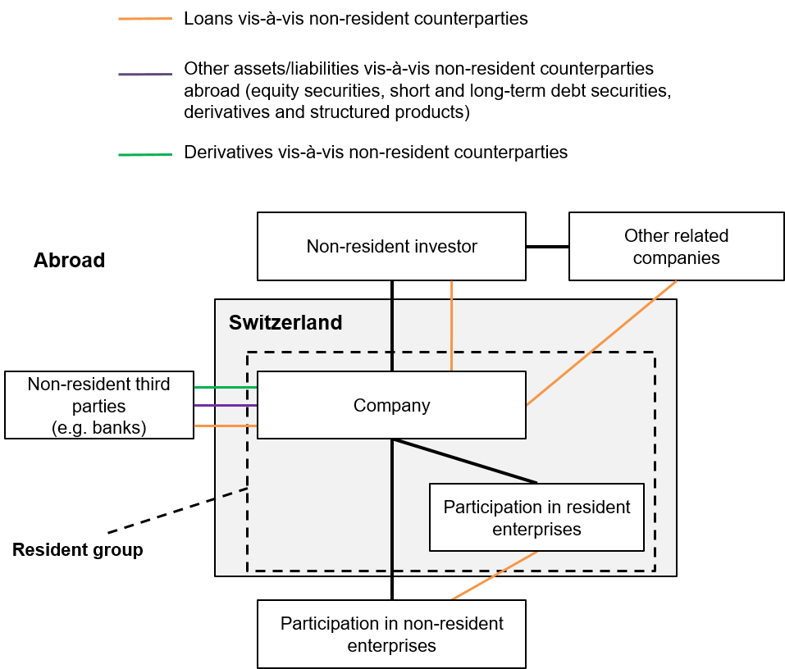

2.1 | Participations in resident enterprises
 | Participations in resident enterprises are all legally independent enterprises domiciled in Switzerland in which your company holds at least 10% of the voting stock.

2.2 | Resident group
 | The resident group comprises all resident enterprises which are included in this report. This is generally the company required to report as well as all legally independent enterprises domiciled in Switzerland, in which the former holds at least 10% of the voting stock (participations in resident enterprises).

2.3 | Industry of resident group
 | Select the main industry according to NOGA 2008 of your resident group from the drop-down menu. If your resident group operates in multiple industries, indicate the industry with the greatest staff numbers in Switzerland.
...
3. | Overview

 | The overview shows your reporting requirements and the current status of the report. Click on the respective form to enter data. Please write any comments you may have on individual survey sections or on the survey as a whole in the specified field.

6. | INA30–INA35 – Loans, deposits and other accounts receivable/payable in CHF, EUR, USD, GBP, JPY and other currencies

 | Please indicate your loans, deposits and other accounts receivable/payable vis-à-vis non-resident counterparties. The following chart illustrates possible counterpart items. The chart is not exhaustive. Important: Only loans, deposits and other accounts receivable/payable vis-à-vis non-resident counterparties should be reported.

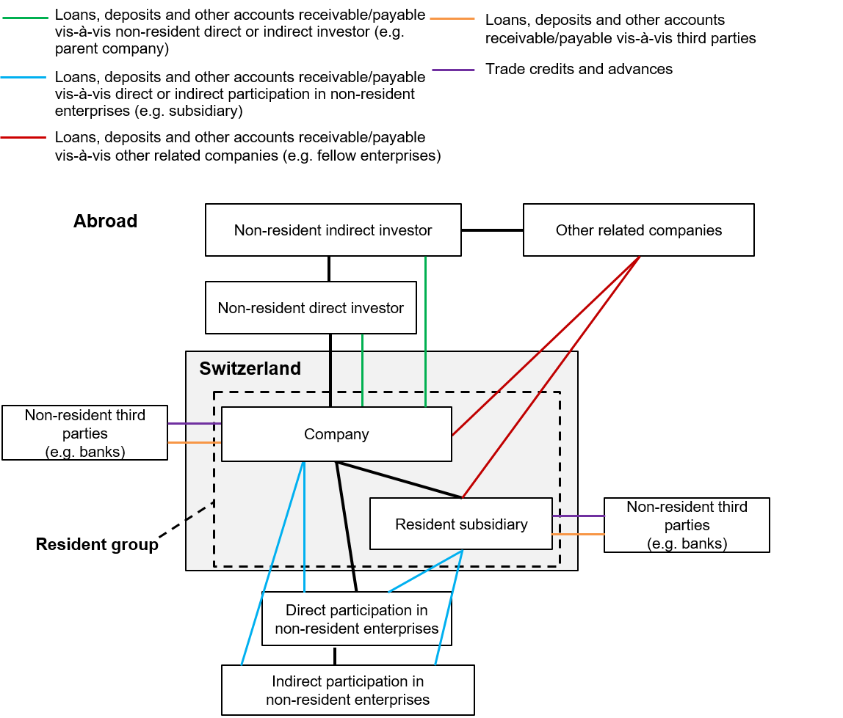

6.1 | Loans, deposits and other accounts receivable/payable vis-à-vis non-consolidated non-resident subsidiaries
 | Loans, deposits and other accounts receivable/payable vis-à-vis non-consolidated non-resident subsidiaries (usually minority interests) must be reported vis-à-vis participations in non-resident enterprises. If the loans, deposits and other accounts receivable/payable vis-à-vis non-consolidated non-resident subsidiaries cannot be differentiated from those vis-à-vis third parties, they can be reported vis-à-vis non-resident third parties.

6.2 | Differentiating loans, deposits and other accounts receivable/payable
 | Loans, deposits and other accounts receivable/payable include: Bills of exchange, advances, loans and deposits with non-resident banks, loans from repo transactions, interest assets and liabilities, current account overdraft facilities, supplier credits (commercial and trade credits) and advances.
 | Loans, deposits and other accounts receivable/payable do not include: Fiduciary funds invested in the money market abroad through the intermediation of resident banks, as well as debt securities, equity securities, derivatives and structured products. Moreover, contingent claims and liabilities should not be reported.

6.3 | Valuation of loans
...

CNTR_List
Instructions
Start
Overview
Notes
 | INA
Cross-border capital linkages: Annual survey
Country definitions
1. List of countries
2. International organisations
2.1. United Nations Organisations
2.2. European Union Institutions, Organs and Organisms (excluding ECB)
2.3. European Central Bank
2.4. Other International Organisations (financial institutions)
2.5. Other International Organisations (non-financial institutions)
...

BRNCH_Codes
Instructions
Start
Overview
Notes
 |  | INA
Cross-border capital linkages: Annual survey
NOGA 2008 industry codes
Basic data

Codes | Titles 2008

010000 | Crop and animal production, hunting and related service activities
020000 | Forestry and logging
030000 | Fishing and aquaculture
050000 | Mining of coal and lignite
060000 | Extraction of crude petroleum and natural gas
070000 | Mining of metal ores
080000 | Other mining and quarrying
...

